E

 |  |  |  |  | 2NF

3NF
client_id | first_name | last_name | city | postal_code |  | id | province

F
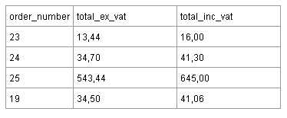

Где Total_inc_vat = 119% От Total_ex_vat.

Вычисляемый столбец не используем в таблице. Order_number используется как ID, поэтому ID не добавляю.
3NF
order_number | total_ex-vat
23 | 13.44
24 | 34.7
25 | 543.44
19 | 34.5

